Hardware
 |  | ↓Key in quantity of hardware & add-ons to determine number of packs eligible
Hardware | MSRP | Qty | Total | Hardware Value | Filament Eligibility | Remarks
UM S5 Pro-Bundle | € 9,350.00 | 0 | € - | € 2,500.00 | 6 spools (0.5 pack) | Half Flexible Pack and total filaments value must be min. EUR 275.
UM S5 | € 6,350.00 | 0 | € - | € 5,000.00 | 12 spools (1 pack)
UM S3 | € 3,950.00 | 0 | € - | € 10,000.00 | 30 spools (2.5 pack)
UM 2+C Bundle | € 2,550.00 | 0 | € - | € 20,000.00 | 66 spools (5.5 pack)
UM 2+C | € 2,250.00 | 0 | € -
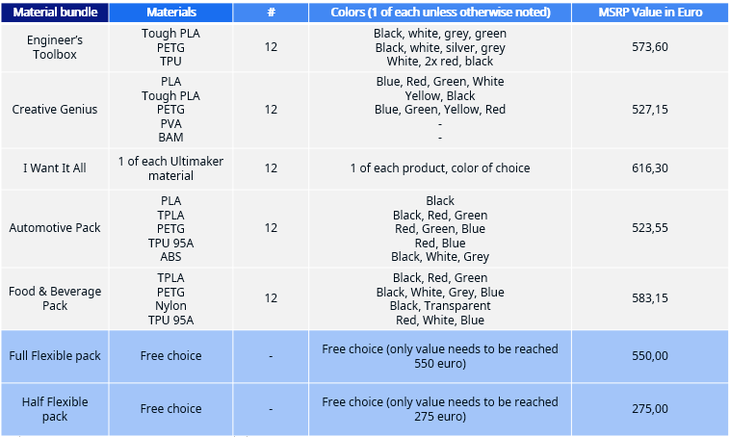
UM S5 Air Manager | € 750.00 | 0 | € -
UM S5 material Station | € 2,750.00 | 0 | € -
UM 2+C Air Manager | € 375.00 | 0 | € -
 |  | Grand Total | € -

 | Promo Eligibility |  | NO

 | Filament Eligibility |  | FALSE

